1.01
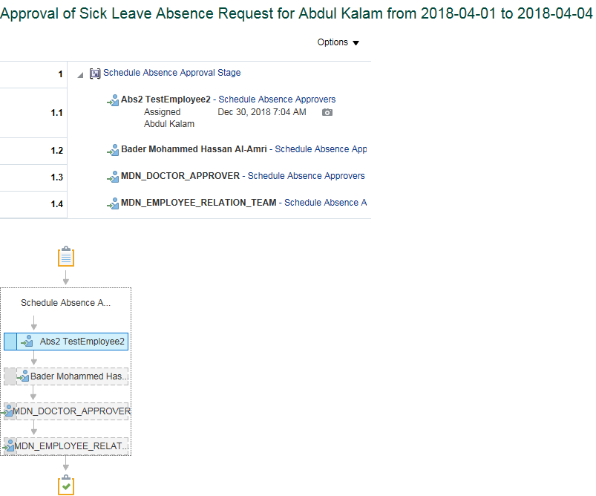
System Test Script - Oracle Cloud - Absence Management
Sick Leave by Job Level 0 to 6 Employee
Return to Summary
Overview |  |  | Test Script Specification
Software / Release |  | Cloud/ Release 13 | Test Script ID # | #VALUE!
Pilot / SIT# / UAT# |  | UAT | Test Script Name | Sick Leave by Job Level 0 to 6 Employee

 | Test Script Instruction |  |  | Test Results
ID # | Action | Navigation Steps | Key Data Elements | Expected Results | Actual Results | Pass/Fail
AB-001 | Log into Oracle Cloud as Employee | Click in the User ID field and enter your User ID. | https://ejop-dev1.fa.em2.oraclecloud.com/fscmUI/faces/FuseWelcome | Login successful
 |  | Click in the Password field and enter your Password.
 |  | Click Sign In
AB-002 | Navigate | Click the Navigator link. |  | Page opens
 |  | Click on Apply Leave
AB-003 | Manage Absence Record
 |  | The Maintain Absence Records page opens. |  | Page opens
AB-004 | Create a Sick Leave |  |  | System triggers out error when employee avail Sick Leave for more than 120 days per year.
 |  | Click Add and select Sick leave from the list of values.
 |  |  |  | Error stating "Exceeding the limit, you can take only max 120 days as sick leave for the year end 2018." gets trrigger out when we try to submit sick leave for more than 120 days
 |  | Select Start Date & End Date | Select Start Date : june2,2018 & End Date : june 8, 2018
 |  | Leave Type Restrictions | Leave type - Leave Type is not requried for this absence since it is based on Calendar Days. System should thrown an error if any Leave Type Selected. | System should throw an error with the if employee selected any Leave Type. Leave Type is not required for this leave type, remove the Leave Type and try to submit. .
 |  | Enter future Dated Sick Leave |  | System should not allow the employee to iniate the leave in advanced. Error Message: You are allowed to submit the absence in advance.
 |  | Enter comments Add Attachments | Enter appropriate dates
AB-005 | Check Calculated Duration | Select Start Date & End Date |  | For employeesthe duration is calculated based on the start and end dates based on calendar days.Includes the weekends and Holidays if any between the absence start and end date.
AB-006 | Submitting the Leave Request | Click on Submit and OK |  | Able to submit successfully
AB-007 | Leave status | Check the Leave status after submitting the leave |  | Status should be 'Awaiting approval'
AB - 008 | Eligibility Check | Repeat the above steps to create the Another set of Sick leave and submit it. |  | Employee can avail this Sick leave Multiple times.Wereas they should not exceed their limit.
AB - 009 | Leave status | Check the Leave status after submitting the leave |  | Status should be 'Awaiting approval' | Approval status goes to "Awaited Approval" status.
AB - 010 | Log Out | Log out from Employee login | logged out | Employee should Logout successfully. | Employee is able to Logout successfully.
AB - 011 | End of Task | End of Task

Line Manager Approval

 | Test Script Instruction |  |  | Test Results
ID # | Action | Navigation Steps | Key Data Elements | Expected Results | Actual Results | Pass/Fail
AB-001 | Log into Oracle Cloud as immediate supervisor | Click in the User ID field and enter your User ID. | https://ejop-dev1.fa.em2.oraclecloud.com/fscmUI/faces/FuseWelcome | Login successful | Logins in succesfully
 |  | Click in the Password field and enter your Password.
 |  | Click Sign In
AB-002 | Leave Approval | Click on the Notification button Click the Leave request and notification popup in a new page | You should be able to approve the transaction | Page opens | The approval page for the leave gets opened when the linmanager clicks on the request.
AB-003 | Log Out | Click Approve |  |  | Click on Approve
 |  | Log out from Manager login |  | logged out | Logged out successfully
AB-004 | End of Task | End of Task

Department Manager Approval

 | Test Script Instruction |  |  | Test Results
ID # | Action | Navigation Steps | Key Data Elements | Expected Results | Actual Results | Pass/Fail
AB-001 | Log into Oracle Cloud as Department Manager | Click in the User ID field and enter your User ID. | https://ejop-dev1.fa.em2.oraclecloud.com/fscmUI/faces/FuseWelcome | Login successful | Logins in succesfully
 |  | Click in the Password field and enter your Password.
 |  | Click Sign In
AB-002 | Leave Approval | Click on the Notification button Click the Leave request and notification popup in a new page | You should be able to approve the transaction | Page opens | The approval page for the leave gets opened when the linmanager clicks on the request.
AB-003 | Log Out | Click Approve |  |  | Click on Approve
 |  | Log out from Manager login |  | logged out | Logged out successfully
AB-004 | End of Task | End of Task

Doctor Approval

 | Test Script Instruction |  |  | Test Results
ID # | Action | Navigation Steps | Key Data Elements | Expected Results | Actual Results | Pass/Fail
AB-001 | Log into Oracle Cloud as Doctor | Click in the User ID field and enter your User ID. | https://ejop-dev1.fa.em2.oraclecloud.com/fscmUI/faces/FuseWelcome | Login successful | Logins in succesfully
 |  | Click in the Password field and enter your Password.
 |  | Click Sign In
AB-002 | Leave Approval | Click on the Notification button Click the Leave request and notification popup in a new page | You should be able to approve the transaction | Page opens | The approval page for the leave gets opened when the linmanager clicks on the request.
AB-003 | Log Out | Click Approve |  |  | Click on Approve
 |  | Log out from Manager login |  | logged out | Logged out successfully
AB-004 | End of Task | End of Task

ER Approval

 | Test Script Instruction |  |  | Test Results
ID # | Action | Navigation Steps | Key Data Elements | Expected Results | Actual Results | Pass/Fail
AB-001 | Log into Oracle Cloud as ER | Click in the User ID field and enter your User ID. | https://ejop-dev1.fa.em2.oraclecloud.com/fscmUI/faces/FuseWelcome | Login successful | Logins in succesfully
 |  | Click in the Password field and enter your Password.
 |  | Click Sign In
AB-002 | Leave Approval | Click on the Notification button Click the Leave request and notification popup in a new page | You should be able to approve the transaction | Page opens | The approval page for the leave gets opened when the linmanager clicks on the request.
AB-003 | Log Out | Click Approve |  |  | Click on Approve
 |  | Log out from Manager login |  | logged out | Logged out successfully
AB-004 | End of Task | End of Task

1.02
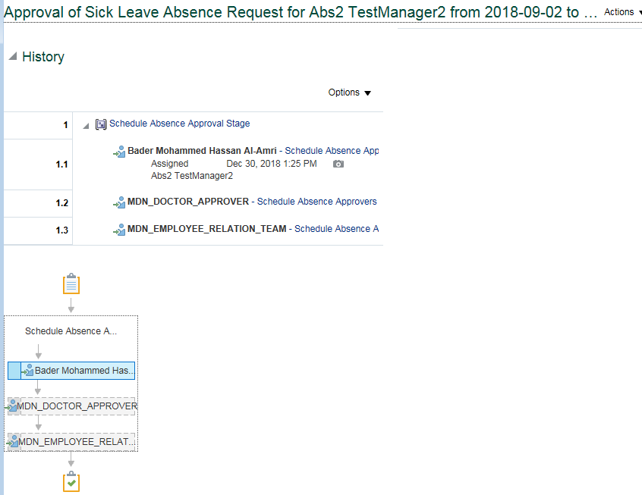
System Test Script - Oracle Cloud - Absence Management
Sick Leave by Job Level 7 & above Employeee
Return to Summary
Overview |  |  | Test Script Specification
Software / Release |  | Cloud/ Release 13 | Test Script ID # | #VALUE!
Pilot / SIT# / UAT# |  | UAT | Test Script Name | Sick Leave by Job Level 7 & above Employeee

 | Test Script Instruction |  |  | Test Results
ID # | Action | Navigation Steps | Key Data Elements | Expected Results | Actual Results | Pass/Fail
AB-001 | Log into Oracle Cloud as Employee | Click in the User ID field and enter your User ID. | https://ejop-dev1.fa.em2.oraclecloud.com/fscmUI/faces/FuseWelcome | Login successful
 |  | Click in the Password field and enter your Password.
 |  | Click Sign In
AB-002 | Navigate | Click the Navigator link. |  | Page opens
 |  | Click on Apply Leave
AB-003 | Manage Absence Record
 |  | The Maintain Absence Records page opens. |  | Page opens
AB-004 | Create a Sick Leave |  |  | System triggers out error when employee avail Sick Leave for more than 120 days per year.
 |  | Click Add and select Sick leave from the list of values.
 |  |  |  | Error stating "Exceeding the limit, you can take only max 120 days as sick leave for the year end 2018." gets trrigger out when we try to submit sick leave for more than 120 days
 |  | Select Start Date & End Date | Select Start Date : june2,2018 & End Date : june 8, 2018
 |  | Leave Type Restrictions | Leave type - Leave Type is not requried for this absence since it is based on Calendar Days. System should thrown an error if any Leave Type Selected. | System should throw an error with the if employee selected any Leave Type. Leave Type is not required for this leave type, remove the Leave Type and try to submit .
 |  | Enter future Dated Sick Leave |  | System should not allow the employee to iniate the leave in advanced. Error Message: You are allowed to submit the absence in advance.
 |  | Enter comments Add Attachments | Enter appropriate dates
AB-005 | Check Calculated Duration | Select Start Date & End Date |  | For employeesthe duration is calculated based on the start and end dates based on calendar days.Includes the weekends and Holidays if any between the absence start and end date.
AB-006 | Submitting the Leave Request | Click on Submit and OK |  | Able to submit successfully
AB-007 | Leave status | Check the Leave status after submitting the leave |  | Status should be 'Awaiting approval'
AB - 008 | Eligibility Check | Repeat the above steps to create the Another set of Sick leave and submit it. |  | Employee can avail this Sick leave Multiple times.Wereas they should not exceed their limit.
AB - 009 | Leave status | Check the Leave status after submitting the leave |  | Status should be 'Awaiting approval' | Approval status goes to "Awaited Approval" status.
AB - 010 | Log Out | Log out from Employee login | logged out | Employee should Logout successfully. | Employee is able to Logout successfully.
AB - 011 | End of Task | End of Task

Line Manager Approval

 | Test Script Instruction |  |  | Test Results
ID # | Action | Navigation Steps | Key Data Elements | Expected Results | Actual Results | Pass/Fail
AB-001 | Log into Oracle Cloud as immediate supervisor | Click in the User ID field and enter your User ID. | https://ejop-dev1.fa.em2.oraclecloud.com/fscmUI/faces/FuseWelcome | Login successful | Logins in succesfully
 |  | Click in the Password field and enter your Password.
 |  | Click Sign In
AB-002 | Leave Approval | Click on the Notification button Click the Leave request and notification popup in a new page | You should be able to approve the transaction | Page opens | The approval page for the leave gets opened when the linmanager clicks on the request.
AB-003 | Log Out | Click Approve |  |  | Click on Approve
 |  | Log out from Manager login |  | logged out | Logged out successfully
AB-004 | End of Task | End of Task

Doctor Approval

 | Test Script Instruction |  |  | Test Results
ID # | Action | Navigation Steps | Key Data Elements | Expected Results | Actual Results | Pass/Fail
AB-001 | Log into Oracle Cloud as Doctor | Click in the User ID field and enter your User ID. | https://ejop-dev1.fa.em2.oraclecloud.com/fscmUI/faces/FuseWelcome | Login successful | Logins in succesfully
 |  | Click in the Password field and enter your Password.
 |  | Click Sign In
AB-002 | Leave Approval | Click on the Notification button Click the Leave request and notification popup in a new page | You should be able to approve the transaction | Page opens | The approval page for the leave gets opened when the linmanager clicks on the request.
AB-003 | Log Out | Click Approve |  |  | Click on Approve
 |  | Log out from Manager login |  | logged out | Logged out successfully
AB-004 | End of Task | End of Task

ER Approval

 | Test Script Instruction |  |  | Test Results
ID # | Action | Navigation Steps | Key Data Elements | Expected Results | Actual Results | Pass/Fail
AB-001 | Log into Oracle Cloud as ER | Click in the User ID field and enter your User ID. | https://ejop-dev1.fa.em2.oraclecloud.com/fscmUI/faces/FuseWelcome | Login successful | Logins in succesfully
 |  | Click in the Password field and enter your Password.
 |  | Click Sign In
AB-002 | Leave Approval | Click on the Notification button Click the Leave request and notification popup in a new page | You should be able to approve the transaction | Page opens | The approval page for the leave gets opened when the linmanager clicks on the request.
AB-003 | Log Out | Click Approve |  |  | Click on Approve
 |  | Log out from Manager login |  | logged out | Logged out successfully
AB-004 | End of Task | End of Task

2.01
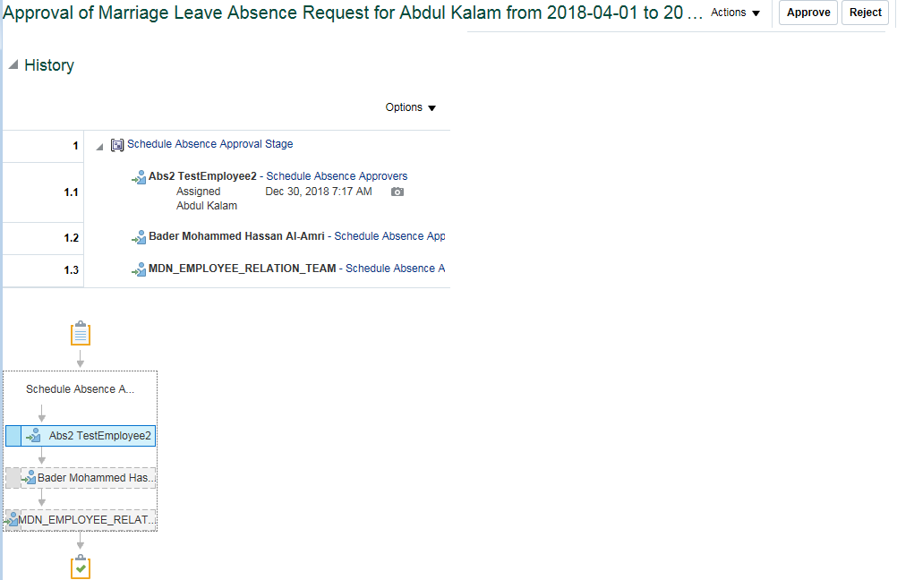
System Test Script - Oracle Cloud - Absence Management
Marriage Leave by Job Level 0 to 6 Employee
Return to Summary
Overview |  |  | Test Script Specification
Software / Release |  | Cloud/ Release 13 | Test Script ID # | #VALUE!
Pilot / SIT# / UAT# |  | UAT | Test Script Name | Marriage Leave by Job Level 0 to 6 Employee

 | Test Script Instruction |  |  | Test Results
ID # | Action | Navigation Steps | Key Data Elements | Expected Results | Actual Results | Pass/Fail
AB-001 | Log into Oracle Cloud as Employee | Click in the User ID field and enter your User ID. | https://ejop-dev1.fa.em2.oraclecloud.com/fscmUI/faces/FuseWelcome | Login successful
 |  | Click in the Password field and enter your Password.
 |  | Click Sign In
AB-002 | Navigate | Click the Navigator link. |  | Page opens
 |  | Click the Apply Leave under Me.
AB-003 | Manage Absence Record |  |  | Page opens
 |  | Maintain Absence Records Page

AB-005 | Eligibility Check | Repeat the above steps to create the Another set of Marriage leave and submit it. |  | Employee can avail the Marriage Leave only once. When an employee tries to iniate/place this leave type for second time, system throw an appropriate error message.
AB-004 | Create a Marriage leave | The Maintain Absence Records page opens. | Marital Status Nationality | You should able to see Marriage leave only if Employee's mariatal status as 'Marriage' for Expat. In case of Saudi Employees - You can see regardless marital status
 |  | Click Add and select Marriage Leave from the list of values. Select Start Date & End Date | Start Date : june 1, 2018 End Date : June 9,2018 | Error trigers out , Marriage leave is limited to avail only for 5 working days On exceeding 5 days system triggers an Error. Error stating "Exceeding the limit, you can take maximum of 5 days as Marriage Leave.
 |  | Leave Type Restrictions | Leave Type: Other Leaves No Of days :4 Note: For employee with Standard shift worshedule mapped No.Of Working days details should be filled For Employee with correct worshedule mapped No.Of Working days details should not be filled | For Standard shift Employees: For employees with Standard 12H/8H shift Workschedule mapped, it should throw an error while submitting the absence without Leave Type details. system throws an error "Leave type is required" when employee try to submit the absence without Leave Type details. System doesn't throws error when employee try to submit the absence with Leave Type details. For General Shift Employees: For employees with Correct Workschedule mapped, System doesn't required any Leave Type detail and it calculates the duration automatically. If You enter any Leave Type details, then it should throw an error saying, Leave Type is not required. For employees with General work schedule mapped ,system doesn't throw error while submitting the absence without Leave Type.
 |  |  | Leave type : Other leaves | System should trigger an error when employee select the wrong Leave type where required. Except for vacation for all other leaves select leave type as " other leaves" if required.
 |  | Rejoining Date | June 5,2019 | System throws an error when the rejoing date is at mid of the leave period or before the leave end date. Rejoining date should always be greater than end date of leave period.
 |  | Attach Document |  | Employee should able to attach the document.
 |  | Enter your Comments |  | Employee should able to add a comment
 | Check Calculated Duration | Select Start Date & End Date |  | For employees with Standard shift Workschedule mapped , the duration should be calculated based on the start and end dates without considering any week rest days/ Holidays. For employees with proper workschedule the duration should be calculted based on Actual working days.
 | Submitting the Leave Request | Click on Submit and OK |  | Able to submit successfully
 | Leave status | Check the Leave status after submitting the leave |  | Status should be 'Awaiting approval'
AB-006 | Frequency Check | Apply another Absence on other dates |  | Only once during employment can be applied. System throws an error messsage, when the employee tries to apply second time.
AB-007 | Log Out | Log out from Employee login | logged out
AB-008 | End of Task | End of Task

Line Manager Approval

 | Test Script Instruction |  |  | Test Results
ID # | Action | Navigation Steps | Key Data Elements | Expected Results | Actual Results | Pass/Fail
AB-001 | Log into Oracle Cloud as immediate supervisor | Click in the User ID field and enter your User ID. | https://ejop-dev1.fa.em2.oraclecloud.com/fscmUI/faces/FuseWelcome | Login successful | Logins in succesfully
 |  | Click in the Password field and enter your Password.
 |  | Click Sign In
AB-002 | Leave Approval | Click on the Notification button Click the Leave request and notification popup in a new page | You should be able to approve the transaction | Page opens | The approval page for the leave gets opened when the linmanager clicks on the request.
AB-003 | Log Out | Click Approve |  |  | Click on Approve
 |  | Log out from Manager login |  | logged out | Logged out successfully
AB-004 | End of Task | End of Task

Department Manager Approval

 | Test Script Instruction |  |  | Test Results
ID # | Action | Navigation Steps | Key Data Elements | Expected Results | Actual Results | Pass/Fail
AB-001 | Log into Oracle Cloud as Department Manager | Click in the User ID field and enter your User ID. | https://ejop-dev1.fa.em2.oraclecloud.com/fscmUI/faces/FuseWelcome | Login successful | Logins in succesfully
 |  | Click in the Password field and enter your Password.
 |  | Click Sign In
AB-002 | Leave Approval | Click on the Notification button Click the Leave request and notification popup in a new page | You should be able to approve the transaction | Page opens | The approval page for the leave gets opened when the linmanager clicks on the request.
AB-003 | Log Out | Click Approve |  |  | Click on Approve
 |  | Log out from Manager login |  | logged out | Logged out successfully
AB-004 | End of Task | End of Task

ER Approval

 | Test Script Instruction |  |  | Test Results
ID # | Action | Navigation Steps | Key Data Elements | Expected Results | Actual Results | Pass/Fail
AB-001 | Log into Oracle Cloud as ER | Click in the User ID field and enter your User ID. | https://ejop-dev1.fa.em2.oraclecloud.com/fscmUI/faces/FuseWelcome | Login successful | Logins in succesfully
 |  | Click in the Password field and enter your Password.
 |  | Click Sign In
AB-002 | Leave Approval | Click on the Notification button Click the Leave request and notification popup in a new page | You should be able to approve the transaction | Page opens | The approval page for the leave gets opened when the linmanager clicks on the request.
AB-003 | Log Out | Click Approve |  |  | Click on Approve
 |  | Log out from Manager login |  | logged out | Logged out successfully
AB-004 | End of Task | End of Task

2.02
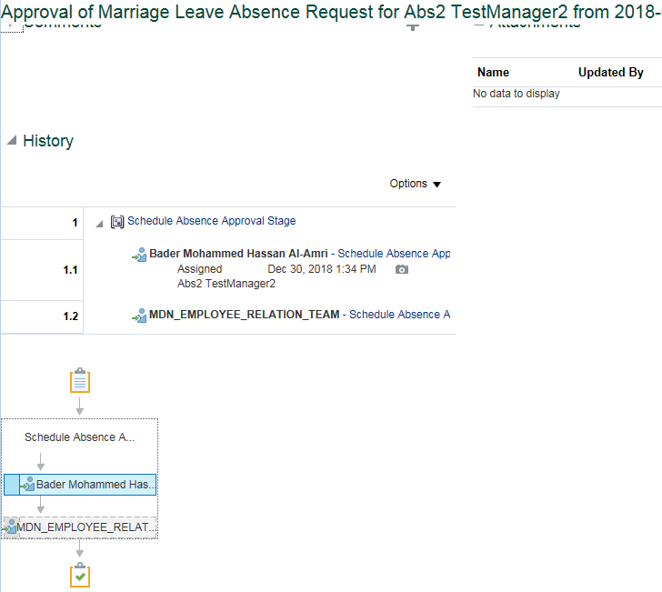
System Test Script - Oracle Cloud - Absence Management
Marriage Leave by Job Level 7 & above Employee
Return to Summary
Overview |  |  | Test Script Specification
Software / Release |  | Cloud/ Release 13 | Test Script ID # | #VALUE!
Pilot / SIT# / UAT# |  | UAT | Test Script Name | Marriage Leave by Job Level 7 & above Employee

 | Test Script Instruction |  |  | Test Results
ID # | Action | Navigation Steps | Key Data Elements | Expected Results | Actual Results | Pass/Fail
AB-001 | Log into Oracle Cloud as Employee | Click in the User ID field and enter your User ID. | https://ejop-dev1.fa.em2.oraclecloud.com/fscmUI/faces/FuseWelcome | Login successful
 |  | Click in the Password field and enter your Password.
 |  | Click Sign In
AB-002 | Navigate | Click the Navigator link. |  | Page opens
 |  | Click the Apply Leave under Me.
AB-003 | Manage Absence Record |  |  | Page opens
 |  | Maintain Absence Records Page

AB-005 | Eligibility Check | Repeat the above steps to create the Another set of Marriage leave and submit it. |  | Employee can avail the Marriage Leave only once. When an employee tries to iniate/place this leave type for second time, system throw an appropriate error message.
AB-004 | Create a Marriage leave | The Maintain Absence Records page opens. | Marital Status Nationality | You should able to see Marriage leave only if Employee's mariatal status as 'Marriage' for Expat. In case of Saudi Employees - You can see regardless marital status
 |  | Click Add and select Marriage Leave from the list of values. Select Start Date & End Date | Start Date : june 1, 2018 End Date : June 9,2018 | Error trigers out , Marriage leave is limited to avail only for 5 working days On exceeding 5 days system triggers an Error. Error stating "Exceeding the limit, you can take maximum of 5 days as Marriage Leave.
 |  | Leave Type Restrictions | Leave Type: Other Leaves No Of days :4 Note: For employee with Standard shift worshedule mapped No.Of Working days details should be filled For Employee with correct worshedule mapped No.Of Working days details should not be filled | For Standard shift Employees: For employees with Standard 12H/8H shift Workschedule mapped, it should throw an error while submitting the absence without Leave Type details. system throws an error "Leave type is required" when employee try to submit the absence without Leave Type details. System doesn't throws error when employee try to submit the absence with Leave Type details. For General Shift Employees: For employees with Correct Workschedule mapped, System doesn't required any Leave Type detail and it calculates the duration automatically. If You enter any Leave Type details, then it should throw an error saying, Leave Type is not required. For employees with General work schedule mapped ,system doesn't throw error while submitting the absence without Leave Type.
 |  |  | Leave type : Other leaves | System should trigger an error when employee select the wrong Leave type where required. Except for vacation for all other leaves select leave type as " other leaves" if required.
 |  | Rejoining Date | June 5,2019 | System throws an error when the rejoing date is at mid of the leave period or before the leave end date. Rejoining date should always be greater than end date of leave period.
 |  | Attach Document |  | Employee should able to attach the document.
 |  | Enter your Comments |  | Employee should able to add a comment
 | Check Calculated Duration | Select Start Date & End Date |  | For employees with Standard shift Workschedule mapped , the duration should be calculated based on the start and end dates without considering any week rest days/ Holidays. For employees with proper workschedule the duration should be calculted based on Actual working days.
 | Submitting the Leave Request | Click on Submit and OK |  | Able to submit successfully
 | Leave status | Check the Leave status after submitting the leave |  | Status should be 'Awaiting approval'
AB-006 | Leave status | Check the Leave status after submitting the leave |  | Status should be 'Awaiting approval'
AB-007 | Log Out | Log out from Employee login | logged out
AB-008 | End of Task | End of Task

Line Manager Approval

 | Test Script Instruction |  |  | Test Results
ID # | Action | Navigation Steps | Key Data Elements | Expected Results | Actual Results | Pass/Fail
AB-001 | Log into Oracle Cloud as immediate supervisor | Click in the User ID field and enter your User ID. | https://ejop-dev1.fa.em2.oraclecloud.com/fscmUI/faces/FuseWelcome | Login successful | Logins in succesfully
 |  | Click in the Password field and enter your Password.
 |  | Click Sign In
AB-002 | Leave Approval | Click on the Notification button Click the Leave request and notification popup in a new page | You should be able to approve the transaction | Page opens | The approval page for the leave gets opened when the linmanager clicks on the request.
AB-003 | Log Out | Click Approve |  |  | Click on Approve
 |  | Log out from Manager login |  | logged out | Logged out successfully
AB-004 | End of Task | End of Task

ER Approval

 | Test Script Instruction |  |  | Test Results
ID # | Action | Navigation Steps | Key Data Elements | Expected Results | Actual Results | Pass/Fail
AB-001 | Log into Oracle Cloud as ER | Click in the User ID field and enter your User ID. | https://ejop-dev1.fa.em2.oraclecloud.com/fscmUI/faces/FuseWelcome | Login successful | Logins in succesfully
 |  | Click in the Password field and enter your Password.
 |  | Click Sign In
AB-002 | Leave Approval | Click on the Notification button Click the Leave request and notification popup in a new page | You should be able to approve the transaction | Page opens | The approval page for the leave gets opened when the linmanager clicks on the request.
AB-003 | Log Out | Click Approve |  |  | Click on Approve
 |  | Log out from Manager login |  | logged out | Logged out successfully
AB-004 | End of Task | End of Task

3.01
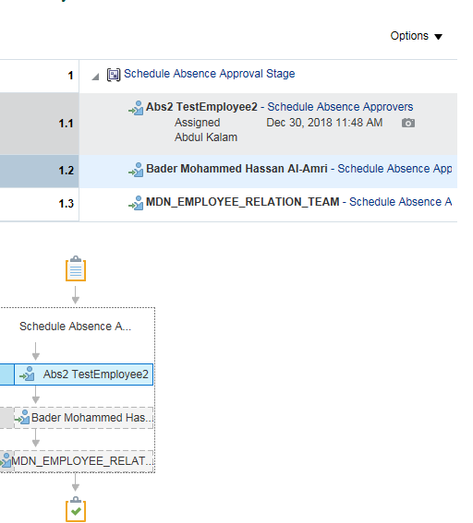
System Test Script - Oracle Cloud - Absence Management
Birth of child Leave by Job Level 0 to 6 Employee
Return to Summary
Overview |  |  | Test Script Specification
Software / Release |  | Cloud/ Release 13 | Test Script ID # | #VALUE!
Pilot / SIT# / UAT# |  | UAT | Test Script Name | Birth of child Leave by Job Level 0 to 6 Employee

 | Test Script Instruction |  |  | Test Results
ID # | Action | Navigation Steps | Key Data Elements | Expected Results | Actual Results | Pass/Fail
AB-001 | Log into Oracle Cloud as Employee | Click in the User ID field and enter your User ID. | https://ejop-dev1.fa.em2.oraclecloud.com/fscmUI/faces/FuseWelcome | Login successful
 |  | Click in the Password field and enter your Password.
 |  | Click Sign In
AB-002 | Navigate | Click the Navigator link. |  | Page opens
 |  | Click the Apply Leave under Me.
AB-003 | Manage Absence Record |  |  | Page opens
 |  | Maintain Absence Records Page

AB-004 | Create Absence |  | Eligibility Check | Applicable only for Male Employee You should able to see Birth of child leave type only if Employee's mariatal status as 'Marriage' for Expat. In case of Saudi Employees - You can see regardless marital status
 |  | Click Add and select Birth Of Child from the list of values. Select Start Date & End Date | Start Date : july 1, 2018 End Date : July 6,2018 | Error trigers out , Birth of Child leave is limited to avail only for 3Days System triggers error "Exceeding the limit, you can take maximum of 3 days as Birth of Child Leave." when employee emplouee avails leave more than 3 days.
 |  | Leave Type Restrictions | Leave Type: Other Leaves No Of days :4 Note: For employee with Standard shift worshedule mapped No.Of Working days details should be filled For Employee with correct worshedule mapped No.Of Working days details should not be filled | For Standard shift Employees: For employees with Standard 12H/8H shift Workschedule mapped, it should throw an error while submitting the absence without Leave Type details. system throws an error "Leave type is required" when employee try to submit the absence without Leave Type details. System doesn't throws error when employee try to submit the absence with Leave Type details. For General Shift Employees: For employees with Correct Workschedule mapped, System doesn't required any Leave Type detail and it calculates the duration automatically. If You enter any Leave Type details, then it should throw an error saying, Leave Type is not required. For employees with General work schedule mapped ,system doesn't throw error while submitting the absence without Leave Type.
 |  |  | Leave type : Other leaves | System should trigger an error when employee select the wrong Leave type. Except for vacation for all other leaves select leave type as " other leaves" if required.
 |  | Attach Supporting Document |  | Employee should able to attach the document.
 |  | Enter comments |  | Employee should be able to enter the comments .
AB-005 | Check Calculated Duration | Select Start Date & End Date |  | For employees with Standard Workschedule mapped , the duration should be calculated based on the start and end dates without considering any week rest days/ Holidays. For employees with proper workschedule the duration is calculted based on Actual working days.
AB-006 | Submitting the Leave Request | Click on Submit and OK |  | Able to submit successfully
AB-007 | Leave status | Check the Leave status after submitting the leave |  | Status should be 'Awaiting approval'
AB-008 | Eligibility Check | Repeat the above steps to create the Another set of Birth of child Leave and submit it. |  | All the elligible employees can avail this Leave no.of times during their employement.
AB-009 | Leave status | Check the Leave status after submitting the leave |  | Status should be 'Awaiting approval'
AB-010 | Log Out | Log out from Employee login | logged out | Logged out successfully
AB-011 | End of Task | End of Task

Line Manager Approval

 | Test Script Instruction |  |  | Test Results
ID # | Action | Navigation Steps | Key Data Elements | Expected Results | Actual Results | Pass/Fail
AB-001 | Log into Oracle Cloud as immediate supervisor | Click in the User ID field and enter your User ID. | https://ejop-dev1.fa.em2.oraclecloud.com/fscmUI/faces/FuseWelcome | Login successful | Logins in succesfully
 |  | Click in the Password field and enter your Password.
 |  | Click Sign In
AB-002 | Leave Approval | Click on the Notification button Click the Leave request and notification popup in a new page | You should be able to approve the transaction | Page opens | The approval page for the leave gets opened when the linmanager clicks on the request.
AB-003 | Log Out | Click Approve |  |  | Click on Approve
 |  | Log out from Manager login |  | logged out | Logged out successfully
AB-004 | End of Task | End of Task

Department Manager Approval

 | Test Script Instruction |  |  | Test Results
ID # | Action | Navigation Steps | Key Data Elements | Expected Results | Actual Results | Pass/Fail
AB-001 | Log into Oracle Cloud as Department Manager | Click in the User ID field and enter your User ID. | https://ejop-dev1.fa.em2.oraclecloud.com/fscmUI/faces/FuseWelcome | Login successful | Logins in succesfully
 |  | Click in the Password field and enter your Password.
 |  | Click Sign In
AB-002 | Leave Approval | Click on the Notification button Click the Leave request and notification popup in a new page | You should be able to approve the transaction | Page opens | The approval page for the leave gets opened when the linmanager clicks on the request.
AB-003 | Log Out | Click Approve |  |  | Click on Approve
 |  | Log out from Manager login |  | logged out | Logged out successfully
AB-004 | End of Task | End of Task

ER Approval

 | Test Script Instruction |  |  | Test Results
ID # | Action | Navigation Steps | Key Data Elements | Expected Results | Actual Results | Pass/Fail
AB-001 | Log into Oracle Cloud as ER | Click in the User ID field and enter your User ID. | https://ejop-dev1.fa.em2.oraclecloud.com/fscmUI/faces/FuseWelcome | Login successful | Logins in succesfully
 |  | Click in the Password field and enter your Password.
 |  | Click Sign In
AB-002 | Leave Approval | Click on the Notification button Click the Leave request and notification popup in a new page | You should be able to approve the transaction | Page opens | The approval page for the leave gets opened when the linmanager clicks on the request.
AB-003 | Log Out | Click Approve |  |  | Click on Approve
 |  | Log out from Manager login |  | logged out | Logged out successfully
AB-004 | End of Task | End of Task

4.01
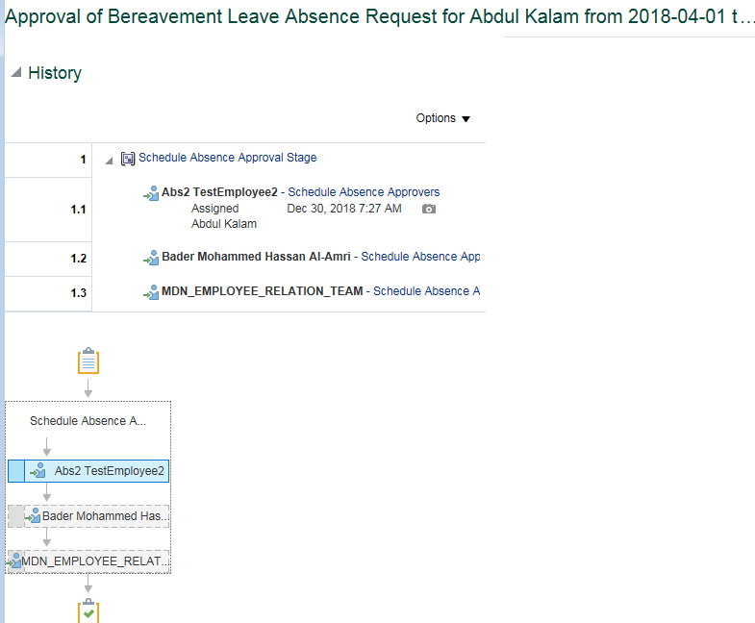
System Test Script - Oracle Cloud - Absence Management
Bereavement Leave by Job Level 0 to 6 Employee
Return to Summary
Overview |  |  | Test Script Specification
Software / Release |  | Cloud/ Release 13 | Test Script ID # | #VALUE!
Pilot / SIT# / UAT# |  | UAT | Test Script Name | Bereavement Leave by Job Level 0 to 6 Employee

 | Test Script Instruction |  |  | Test Results
ID # | Action | Navigation Steps | Key Data Elements | Expected Results | Actual Results | Pass/Fail
AB-001 | Log into Oracle Cloud as Employee | Click in the User ID field and enter your User ID. | https://ejop-dev1.fa.em2.oraclecloud.com/fscmUI/faces/FuseWelcome | Login successful
 |  | Click in the Password field and enter your Password.
 |  | Click Sign In
AB-002 | Navigate | Click the Navigator link. |  | Page opens
 |  | Click the Apply Leave under Me.
AB-003 | Manage Absence Record | Maintain Absence Records Page |  | Page opens

AB-004 | Create Absence | Click Add and select Bereavement Leave from the list of values. Select Start Date & End Date | Start Date : june 1, 2018 End Date : June 11,2018 | Error triggers out , Bereavement leave is limited to avail only for 5 working days. System triggers error "Exceeding the limit, you can take maximum of 5 days as Bereavement Leave." when employee emplouee avails leave more thanv5 days.
 |  | Leave Type Restrictions | Leave Type: Other Leaves No Of days :4 Note: For employee with Standard shift worshedule mapped No.Of Working days details should be filled For Employee with correct worshedule mapped No.Of Working days details should not be filled | For Standard shift Employees: For employees with Standard 12H/8H shift Workschedule mapped, it should throw an error while submitting the absence without Leave Type details. system throws an error "Leave type is required" when employee try to submit the absence without Leave Type details. System doesn't throws error when employee try to submit the absence with Leave Type details. For General Shift Employees: For employees with Correct Workschedule mapped, System doesn't required any Leave Type detail and it calculates the duration automatically. If You enter any Leave Type details, then it should throw an error saying, Leave Type is not required. For employees with General work schedule mapped ,system doesn't throw error while submitting the absence without Leave Type.
 |  |  | Leave type : Other leaves | System should trriger error when employee select the wrong Leave type. Except for vacation for all other leaves select leave type as " other leaves" if required.
 |  | Add Attachments Enter comments |  | Employees should able to attach the documents Employees should able to enter the comments
 |  | Reason |  | Error Triggers out when employee submits the leave without Absent reason. System should trigger an error When employee submit the leave request without selecting "Reason".
AB-005 | Check Calculated Duration | Select Start Date & End Date |  | For employees with Standard Workschedule mapped , the duration should be calculated based on the start and end dates without considering any week rest days/ Holidays. For employees with proper workschedule the duration is calculted based on Actual working days.
AB-006 | Submitting the Leave Request | Click on Submit and OK |  | Able to submit successfully
AB-007 | Leave status | Check the Leave status after submitting the leave |  | Status should be 'Awaiting approval'
AB-008 | Eligibility Check | Repeat the above steps to create the Another set of Bereavement leave and submit it. |  | All the elligible employees can avail this leave number of times during their employement.
AB-009 | Leave status | Check the Leave status after submitting the leave |  | Status should be 'Awaiting approval'
AB-010 | Log Out | Log out from Employee login | logged out
AB-011 | End of Task | End of Task

Line Manager Approval

 | Test Script Instruction |  |  | Test Results
ID # | Action | Navigation Steps | Key Data Elements | Expected Results | Actual Results | Pass/Fail
AB-001 | Log into Oracle Cloud as immediate supervisor | Click in the User ID field and enter your User ID. | https://ejop-dev1.fa.em2.oraclecloud.com/fscmUI/faces/FuseWelcome | Login successful | Logins in succesfully
 |  | Click in the Password field and enter your Password.
 |  | Click Sign In
AB-002 | Leave Approval | Click on the Notification button Click the Leave request and notification popup in a new page | You should be able to approve the transaction | Page opens | The approval page for the leave gets opened when the linmanager clicks on the request.
AB-003 | Log Out | Click Approve |  |  | Click on Approve
 |  | Log out from Manager login |  | logged out | Logged out successfully
AB-004 | End of Task | End of Task

Department Manager Approval

 | Test Script Instruction |  |  | Test Results
ID # | Action | Navigation Steps | Key Data Elements | Expected Results | Actual Results | Pass/Fail
AB-001 | Log into Oracle Cloud as Department Manager | Click in the User ID field and enter your User ID. | https://ejop-dev1.fa.em2.oraclecloud.com/fscmUI/faces/FuseWelcome | Login successful | Logins in succesfully
 |  | Click in the Password field and enter your Password.
 |  | Click Sign In
AB-002 | Leave Approval | Click on the Notification button Click the Leave request and notification popup in a new page | You should be able to approve the transaction | Page opens | The approval page for the leave gets opened when the linmanager clicks on the request.
AB-003 | Log Out | Click Approve |  |  | Click on Approve
 |  | Log out from Manager login |  | logged out | Logged out successfully
AB-004 | End of Task | End of Task

ER Approval

 | Test Script Instruction |  |  | Test Results
ID # | Action | Navigation Steps | Key Data Elements | Expected Results | Actual Results | Pass/Fail
AB-001 | Log into Oracle Cloud as ER | Click in the User ID field and enter your User ID. | https://ejop-dev1.fa.em2.oraclecloud.com/fscmUI/faces/FuseWelcome | Login successful | Logins in succesfully
 |  | Click in the Password field and enter your Password.
 |  | Click Sign In
AB-002 | Leave Approval | Click on the Notification button Click the Leave request and notification popup in a new page | You should be able to approve the transaction | Page opens | The approval page for the leave gets opened when the linmanager clicks on the request.
AB-003 | Log Out | Click Approve |  |  | Click on Approve
 |  | Log out from Manager login |  | logged out | Logged out successfully
AB-004 | End of Task | End of Task

5.01
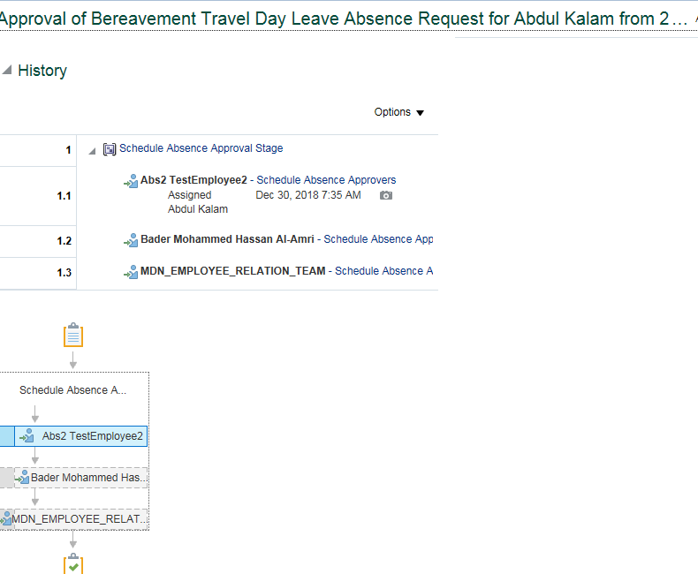
System Test Script - Oracle Cloud - Absence Management
Bereavement Travel leave 0 to 6 Employee
Return to Summary
Overview |  |  | Test Script Specification
Software / Release |  | Cloud/ Release 13 | Test Script ID # | #VALUE!
Pilot / SIT# / UAT# |  | UAT | Test Script Name | Bereavement Travel leave 0 to 6 Employee

 | Test Script Instruction |  |  | Test Results
ID # | Action | Navigation Steps | Key Data Elements | Expected Results | Actual Results | Pass/Fail
AB-001 | Log into Oracle Cloud as Employee | Click in the User ID field and enter your User ID. | https://ejop-dev1.fa.em2.oraclecloud.com/fscmUI/faces/FuseWelcome | Login successful
 |  | Click in the Password field and enter your Password.
 |  | Click Sign In
AB-002 | Navigate | Click the Navigator link. |  | Page opens
 |  | Click the Apply Leave under Me.
AB-003 | Manage Absence Record | The Maintain Absence Records page opens. |  | Page opens

AB-004 | Create Absence |  | Reason | Saudi National employees and expat employees can avail one working day for travel time in contnuation with bereavement Leave within 10 calendar days,Where saudi employees can avail only when the death occurs outside the province of his work location. System allows expat employee can avail this leave regardless the death location. Saudi employees can avail this leave only when if the death occurs outside the province of his work location.
 |  | Click Add and select Bereavement travel day Leave from the list of values. Select Start Date & End Date | Start Date : june 1, 2018 End Date : June 11,2018 | System should trigger error when expat employees avail more than 1day of leave along with their bereavement leave. System should throw error as "Exceeding the limit, you can take maximum of 1 days as Bereavement Travel Day Leave",when expat employee avail the leave more than one day.
 |  | Leave Type Restrictions | Leave type - Leave Type is not requried for this absence since it is allowed only one day. System should thrown an error if any Leave Type Selected. | System should throw an error with the if employee selected any Leave Type. After removing the Leave Type, It should able to submit the leave without triggering any error.
 |  | Attach Supporting Document |  | Employee should able to attach the document.
 |  | Enter comments |  | Employee should be able to enter the comments .
AB-005 | Check Calculated Duration | Select Start Date & Select 'Single Day' |  | One Day as Absence Duration.
AB-006 | Submitting the Leave Request | Click on Submit and OK |  | Able to submit successfully
AB-007 | Leave status | Check the Leave status after submitting the leave |  | Status should be 'Awaiting approval'
AB-010 | Log Out | Log out from Employee login | logged out
AB-011 | End of Task | End of Task

Line Manager Approval

 | Test Script Instruction |  |  | Test Results
ID # | Action | Navigation Steps | Key Data Elements | Expected Results | Actual Results | Pass/Fail
AB-001 | Log into Oracle Cloud as immediate supervisor | Click in the User ID field and enter your User ID. | https://ejop-dev1.fa.em2.oraclecloud.com/fscmUI/faces/FuseWelcome | Login successful | Logins in succesfully
 |  | Click in the Password field and enter your Password.
 |  | Click Sign In
AB-002 | Leave Approval | Click on the Notification button Click the Leave request and notification popup in a new page | You should be able to approve the transaction | Page opens | The approval page for the leave gets opened when the linmanager clicks on the request.
AB-003 | Log Out | Click Approve |  |  | Click on Approve
 |  | Log out from Manager login |  | logged out | Logged out successfully
AB-004 | End of Task | End of Task

Department Manager Approval

 | Test Script Instruction |  |  | Test Results
ID # | Action | Navigation Steps | Key Data Elements | Expected Results | Actual Results | Pass/Fail
AB-001 | Log into Oracle Cloud as Department Manager | Click in the User ID field and enter your User ID. | https://ejop-dev1.fa.em2.oraclecloud.com/fscmUI/faces/FuseWelcome | Login successful | Logins in succesfully
 |  | Click in the Password field and enter your Password.
 |  | Click Sign In
AB-002 | Leave Approval | Click on the Notification button Click the Leave request and notification popup in a new page | You should be able to approve the transaction | Page opens | The approval page for the leave gets opened when the linmanager clicks on the request.
AB-003 | Log Out | Click Approve |  |  | Click on Approve
 |  | Log out from Manager login |  | logged out | Logged out successfully
AB-004 | End of Task | End of Task

ER Approval

 | Test Script Instruction |  |  | Test Results
ID # | Action | Navigation Steps | Key Data Elements | Expected Results | Actual Results | Pass/Fail
AB-001 | Log into Oracle Cloud as ER | Click in the User ID field and enter your User ID. | https://ejop-dev1.fa.em2.oraclecloud.com/fscmUI/faces/FuseWelcome | Login successful | Logins in succesfully
 |  | Click in the Password field and enter your Password.
 |  | Click Sign In
AB-002 | Leave Approval | Click on the Notification button Click the Leave request and notification popup in a new page | You should be able to approve the transaction | Page opens | The approval page for the leave gets opened when the linmanager clicks on the request.
AB-003 | Log Out | Click Approve |  |  | Click on Approve
 |  | Log out from Manager login |  | logged out | Logged out successfully
AB-004 | End of Task | End of Task

6.01
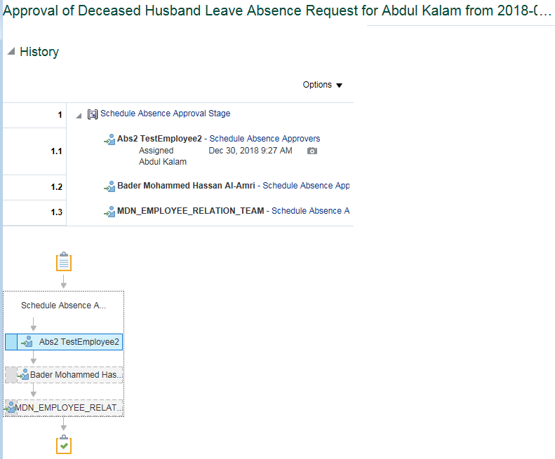
System Test Script - Oracle Cloud - Absence Management
Deceased Travel Leave 0 to 6 Employee
Return to Summary
Overview |  |  | Test Script Specification
Software / Release |  | Cloud/ Release 13 | Test Script ID # | #VALUE!
Pilot / SIT# / UAT# |  | UAT | Test Script Name | Deceased Travel Leave 0 to 6 Employee

 | Test Script Instruction |  |  | Test Results
ID # | Action | Navigation Steps | Key Data Elements | Expected Results | Actual Results | Pass/Fail
AB-001 | Log into Oracle Cloud as Employee | Click in the User ID field and enter your User ID. | https://ejop-dev1.fa.em2.oraclecloud.com/fscmUI/faces/FuseWelcome | Login successful
 |  | Click in the Password field and enter your Password.
 |  | Click Sign In
AB-002 | Navigate | Click the Navigator link. |  | Page opens
 |  | Click the Apply Leave under Me.
AB-003 | Manage Absence Record | The Maintain Absence Records page opens. |  | Page opens

AB-004 | Create Absence | Click Add and select Deceased Leave from the list of values. | Gender: Female | You should be able to see this Leave type only for the female employee.
 |  | Select Start Date & End Date | Start Date : june 1, 2018 End Date : dec 9,2018 | For Muslim Employee Deceased leave is limited to avail only for 130 CalendarDays. When Muslim Employee avails leave more than 130 days system triggers out the error. System triggers error "Exceeding the limit, you can take maximum of 130 days as Deceased Leave." when muslim employee avails leave more than 130 days.
 |  |  |  | For Non - Muslim Employee Deceased leave is limited to avail only for 15 CalendarDays . When Non - Muslim Employee avails leave more than 15 days system triggers out the error. System triggers error "Exceeding the limit, you can take maximum of 15 days as Deceased Leave." when non - muslim employee avails leave more than 15 days.
 |  | Leave Type Restrictions | Leave type - Leave Type is not requried for this absence since it is based on Calendar Days. System should thrown an error if any Leave Type Selected. | System should throw an error with the if employee selected any Leave Type. After removing the Leave Type, It should able to submit the leave without triggering any error.
 |  | Attach Supporting Document |  | Employee should able to attach the document.
 |  | Enter your Comments |  | Employee are able to enter the comments
AB-005 | Check Calculated Duration | Select Start Date & End Date |  | For employees the duration is calculated based on the start and end dates on the basis of calendar days.
AB-006 | Submitting the Leave Request | Click on Submit and OK |  | Able to submit successfully
AB-007 | Leave status | Check the Leave status after submitting the leave |  | Status should be 'Awaiting approval'
AB-008 | Eligibility Check | Repeat the above steps to create the Another set of Deceased Husband leave and submit it. |  | Error gets trigger out when employee avail this more than once during his employment.
AB-007 | Log Out | Log out from Employee login | logged out
AB-008 | End of Task | End of Task

Line Manager Approval

 | Test Script Instruction |  |  | Test Results
ID # | Action | Navigation Steps | Key Data Elements | Expected Results | Actual Results | Pass/Fail
AB-001 | Log into Oracle Cloud as immediate supervisor | Click in the User ID field and enter your User ID. | https://ejop-dev1.fa.em2.oraclecloud.com/fscmUI/faces/FuseWelcome | Login successful
 |  | Click in the Password field and enter your Password.
 |  | Click Sign In
AB-002 | Leave Approval | Click on the Notification button Click the Leave request and notification popup in a new page | You should be able to approve the transaction | Page opens
AB-003 | Log Out | Click Approve |  | Able to approve
 |  | Log out from Manager login |  | logged out
AB-004 | End of Task | End of Task

Department Manager Approval

 | Test Script Instruction |  |  | Test Results
ID # | Action | Navigation Steps | Key Data Elements | Expected Results | Actual Results | Pass/Fail
AB-001 | Log into Oracle Cloud as Department Manager | Click in the User ID field and enter your User ID. | https://ejop-dev1.fa.em2.oraclecloud.com/fscmUI/faces/FuseWelcome | Login successful
 |  | Click in the Password field and enter your Password.
 |  | Click Sign In
AB-002 | Leave Approval | Click on the Notification button Click the Leave request and notification popup in a new page | You should be able to approve the transaction | Page opens
AB-003 | Log Out | Click Approve |  | Able to approve
 |  | Log out from Manager login |  | logged out
AB-004 | End of Task | End of Task

ER Approval

 | Test Script Instruction |  |  | Test Results
ID # | Action | Navigation Steps | Key Data Elements | Expected Results | Actual Results | Pass/Fail
AB-001 | Log into Oracle Cloud as ER | Click in the User ID field and enter your User ID. | https://ejop-dev1.fa.em2.oraclecloud.com/fscmUI/faces/FuseWelcome | Login successful
 |  | Click in the Password field and enter your Password.
 |  | Click Sign In
AB-002 | Leave Approval | Click on the Notification button Click the Leave request and notification popup in a new page | You should be able to approve the transaction | Page opens
AB-003 | Log Out | Click Approve |  | Able to approve
 |  | Log out from Manager login |  | logged out
AB-004 | End of Task | End of Task

7.01
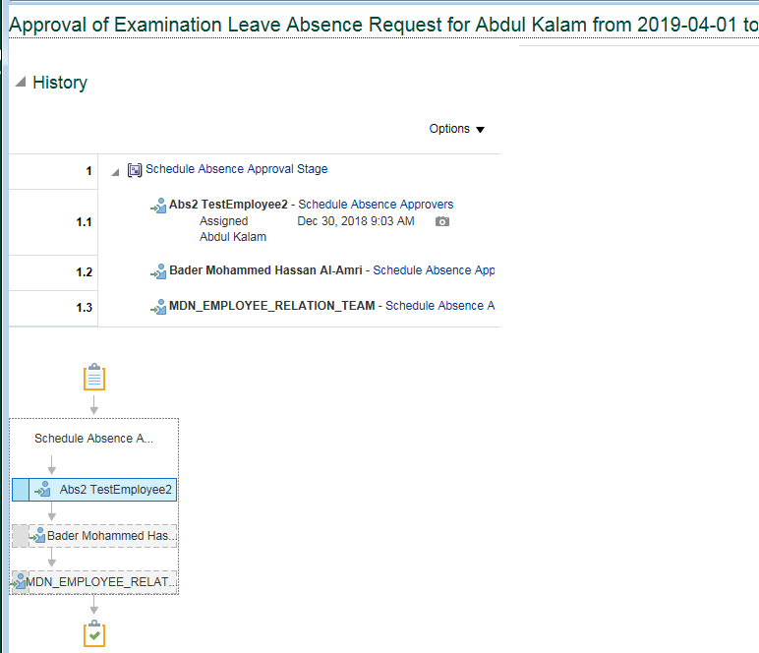
System Test Script - Oracle Cloud - Absence Management
Examination Leave 0 to 6 Employee
Return to Summary
Overview |  |  | Test Script Specification
Software / Release |  | Cloud/ Release 13 | Test Script ID # | #VALUE!
Pilot / SIT# / UAT# |  | UAT | Test Script Name | Examination Leave 0 to 6 Employee

 | Test Script Instruction |  |  | Test Results
ID # | Action | Navigation Steps | Key Data Elements | Expected Results | Actual Results | Pass/Fail
AB-001 | Log into Oracle Cloud as Employee | Click in the User ID field and enter your User ID. | https://ejop-dev1.fa.em2.oraclecloud.com/fscmUI/faces/FuseWelcome | Login successful
 |  | Click in the Password field and enter your Password.
 |  | Click Sign In
AB-002 | Navigate | Click the Navigator link. |  | Page opens
 |  | Click the Apply Leave under Me.
AB-003 | Manage Time Cards | The Maintain Absence Records page opens. |  | Page opens

AB-004 | Create Absence | Click Add and select Examination Leave from the list of values. |  | Only Saudi Employees are eligible to avail this leave type. If any employee other than Saudi employee apply for the Examination Leave then system triggers out Error.
 |  | Single Day Absence | Start Date : june 1, 2018 End Date : June 9,2018 | Examination leave should be availed well in advance , it can't be applied for past dated exams. Error trigers out , When Examination leave balance falls under the minimum balance of Leave. Erro triggers out when Examination leave is applied for the past dated exam.
 |  | Multiple Days Absence | Select Advanced Mode Apply the absence for Exam dates only. | Employee should be able to select Advanced Mode and select the appropriate dates for absence.
 |  | Leave Type Restrictions | Leave type - Leave Type is not requried for this absence since the absence will be applied only for the exam dates which fall on Working day. System should thrown an error if any Leave Type Selected. | System should throw an error with the if employee selected any Leave Type. After removing the Leave Type, it should able to submit the leave without triggering any error.
 |  | Attach Supporting Document |  | Employee should able to attach the document (Examination Schedule)
 |  | Enter your Comments |  | Employee should able to enter the comments.
AB-005 | Check Calculated Duration | Select Start Date & End Date |  | Duration is based on the date entered. (Advanced Mode)
AB-006 | Submitting the Leave Request | Click on Submit and OK |  | Able to submit successfully
AB-007 | Leave status | Check the Leave status after submitting the leave |  | Status should be 'Awaiting approval'
AB-008 | Eligibility Check | Repeat the above steps to create the Another set of Examination leave and submit it. |  | Saudi Employee can avail this Examination leave Multiple times till their employment.
AB-009 | Leave status | Check the Leave status after submitting the leave |  | Status should be 'Awaiting approval'
AB-010 | Log Out | Log out from Employee login | logged out
AB-011 | End of Task | End of Task

Line Manager Approval

 | Test Script Instruction |  |  | Test Results
ID # | Action | Navigation Steps | Key Data Elements | Expected Results | Actual Results | Pass/Fail
AB-001 | Log into Oracle Cloud as immediate supervisor | Click in the User ID field and enter your User ID. | https://ejop-dev1.fa.em2.oraclecloud.com/fscmUI/faces/FuseWelcome | Login successful
 |  | Click in the Password field and enter your Password.
 |  | Click Sign In
AB-002 | Leave Approval | Click on the Notification button Click the Leave request and notification popup in a new page | You should be able to approve the transaction | Page opens
AB-003 | Log Out | Click Approve |  | Able to approve
 |  | Log out from Manager login |  | logged out
AB-004 | End of Task | End of Task

Department Manager Approval

 | Test Script Instruction |  |  | Test Results
ID # | Action | Navigation Steps | Key Data Elements | Expected Results | Actual Results | Pass/Fail
AB-001 | Log into Oracle Cloud as Department Manager | Click in the User ID field and enter your User ID. | https://ejop-dev1.fa.em2.oraclecloud.com/fscmUI/faces/FuseWelcome | Login successful
 |  | Click in the Password field and enter your Password.
 |  | Click Sign In
AB-002 | Leave Approval | Click on the Notification button Click the Leave request and notification popup in a new page | You should be able to approve the transaction | Page opens
AB-003 | Log Out | Click Approve |  | Able to approve
 |  | Log out from Manager login |  | logged out
AB-004 | End of Task | End of Task

ER Approval

 | Test Script Instruction |  |  | Test Results
ID # | Action | Navigation Steps | Key Data Elements | Expected Results | Actual Results | Pass/Fail
AB-001 | Log into Oracle Cloud as ER | Click in the User ID field and enter your User ID. | https://ejop-dev1.fa.em2.oraclecloud.com/fscmUI/faces/FuseWelcome | Login successful
 |  | Click in the Password field and enter your Password.
 |  | Click Sign In
AB-002 | Leave Approval | Click on the Notification button Click the Leave request and notification popup in a new page | You should be able to approve the transaction | Page opens
AB-003 | Log Out | Click Approve |  | Able to approve
 |  | Log out from Manager login |  | logged out
AB-004 | End of Task | End of Task

8.01
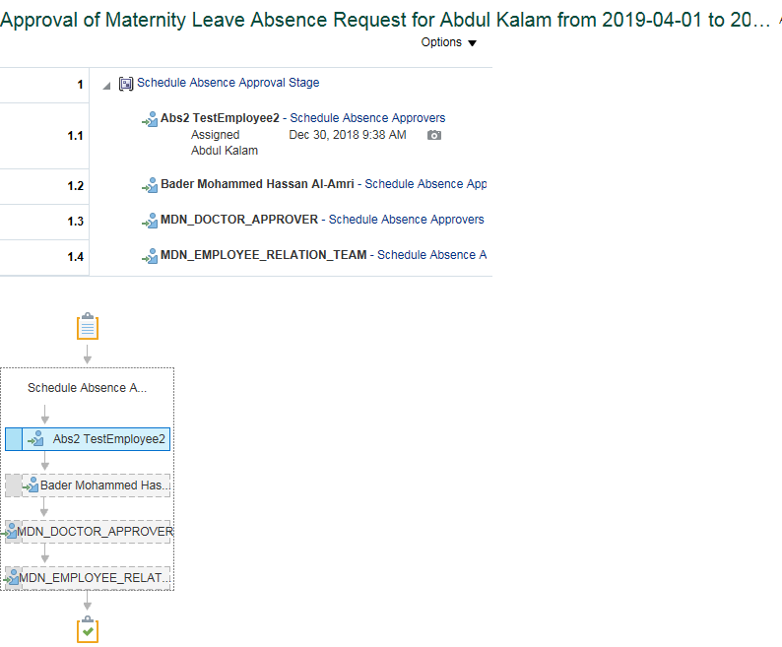
System Test Script - Oracle Cloud - Absence Management
Maternity Leave by Job Level 0 to 6 Employee
Return to Summary
Overview |  |  | Test Script Specification
Software / Release |  | Cloud/ Release 13 | Test Script ID # | #VALUE!
Pilot / SIT# / UAT# |  | UAT | Test Script Name | Maternity Leave by Job Level 0 to 6 Employee

 | Test Script Instruction |  |  | Test Results
ID # | Action | Navigation Steps | Key Data Elements | Expected Results | Actual Results | Pass/Fail
AB-001 | Log into Oracle Cloud as Employee | Click in the User ID field and enter your User ID. | https://ejop-dev1.fa.em2.oraclecloud.com/fscmUI/faces/FuseWelcome | Login successful
 |  | Click in the Password field and enter your Password.
 |  | Click Sign In
AB-002 | Navigate | Click the Navigator link. Click the Apply Leave under Me. |  | Page opens
AB-003 | Manage Absence Record | The Maintain Absence Records page opens. |  | Page opens
AB-004 | Create Absence |  | Eligibility Check | You should able to see Maternity leave only for married female employees.
 |  | Click Add and select Maternity Leave from the list of values. Select Start Date & End Date Assumption: Female Employee would be associated only with Regular Work Schedule (8-8-8-8-8-8-0-0). | Start Date : june 1, 2018 End Date : August 29,2018 | Maternity leave is limited to avail only for max 50 Days. On exceeding 50 days system triggers an Error. Error triggers stating that "Exceeding the limit, you can take maximum of 50 days as Maternity Leave."when employee avail this leave type for more than 50days per time. Note :Employee can avail 20 workng days - Prior to Expected Date of Delivery and 30 workng days - After the Delivery
 |  |  |  | If the Child birth occurs before the expected delivery date or the planned date of leave, then 30 working days will be counted from the day the baby is born. In such cases, a female shall be eligible only for 30 Days from the day child is born. "As per policy, you can take maximum of 30 working days as leave after the Date of Delivery" will be trigered out.
 |  |  |  | System should trigger error when employee avail 20 days of leave prior to expected date of delivery System trigger error stating "As per policy, you can take maximum of 20 working days as leave prior to Expected Date of Delivery". when employee try to avail more tha 20 days of leave prior to date of deleivery.
 |  |  |  | System should allow to submit the Leave without an error,if the employee provides the either actual date details or Planned dates detail. System should allow to submit the Leave without an error,if the employee provides the either actual date details or Planned dates detail.
 |  | Enter comments Add attachment |  | Employee should able to enter the comments. Employee should be able to attach the documents.
 |  | Leave Type Restrictions | Leave type - Leave Type is not requried for this absence since the expectation is, female employees will not be a part of shift schedule and always on Regular work schedule (8 hours; 5 days per week; Sun-Thu) System should thrown an error if any Leave Type Selected. | System should throw an error with the if employee selected any Leave Type. After removing the Leave Type, It should able to submit the leave without triggering any error.
AB-005 | Check Duration | Select Start Date & End Date |  | Duration should be based on the employee work schedule.
AB--006 | Submitting the Leave Request | Click on Submit and OK |  | Able to submit successfully
AB -007 | Leave status | Check the Leave status after submitting the leave |  | Status should be 'Awaiting approval'
AB - 008 | Eligibility Check | Repeat the above steps to create the Another set of Maternity leave and submit it. |  | Women Employee can avail this Maternity leave Multiple times.Whereas Max of 50 Wroking days Per time.
AB - 009 | Leave status | Check the Leave status after submitting the leave |  | Status should be 'Awaiting approval'
AB -010 | Log Out | Log out from Employee login | logged out
AB - 011 | End of Task | End of Task

Line Manager Approval

 | Test Script Instruction |  |  | Test Results
ID # | Action | Navigation Steps | Key Data Elements | Expected Results | Actual Results | Pass/Fail
AB-001 | Log into Oracle Cloud as immediate supervisor | Click in the User ID field and enter your User ID. | https://ejop-dev1.fa.em2.oraclecloud.com/fscmUI/faces/FuseWelcome | Login successful | Logins in succesfully
 |  | Click in the Password field and enter your Password.
 |  | Click Sign In
AB-002 | Leave Approval | Click on the Notification button Click the Leave request and notification popup in a new page | You should be able to approve the transaction | Page opens | The approval page for the leave gets opened when the linmanager clicks on the request.
AB-003 | Log Out | Click Approve |  |  | Click on Approve
 |  | Log out from Manager login |  | logged out | Logged out successfully
AB-004 | End of Task | End of Task

Department Manager Approval

 | Test Script Instruction |  |  | Test Results
ID # | Action | Navigation Steps | Key Data Elements | Expected Results | Actual Results | Pass/Fail
AB-001 | Log into Oracle Cloud as Department Manager | Click in the User ID field and enter your User ID. | https://ejop-dev1.fa.em2.oraclecloud.com/fscmUI/faces/FuseWelcome | Login successful | Logins in succesfully
 |  | Click in the Password field and enter your Password.
 |  | Click Sign In
AB-002 | Leave Approval | Click on the Notification button Click the Leave request and notification popup in a new page | You should be able to approve the transaction | Page opens | The approval page for the leave gets opened when the linmanager clicks on the request.
AB-003 | Log Out | Click Approve |  |  | Click on Approve
 |  | Log out from Manager login |  | logged out | Logged out successfully
AB-004 | End of Task | End of Task

Doctor Approval

 | Test Script Instruction |  |  | Test Results
ID # | Action | Navigation Steps | Key Data Elements | Expected Results | Actual Results | Pass/Fail
AB-001 | Log into Oracle Cloud as Doctor | Click in the User ID field and enter your User ID. | https://ejop-dev1.fa.em2.oraclecloud.com/fscmUI/faces/FuseWelcome | Login successful | Logins in succesfully
 |  | Click in the Password field and enter your Password.
 |  | Click Sign In
AB-002 | Leave Approval | Click on the Notification button Click the Leave request and notification popup in a new page | You should be able to approve the transaction | Page opens | The approval page for the leave gets opened when the linmanager clicks on the request.
AB-003 | Log Out | Click Approve |  |  | Click on Approve
 |  | Log out from Manager login |  | logged out | Logged out successfully
AB-004 | End of Task | End of Task

ER Approval

 | Test Script Instruction |  |  | Test Results
ID # | Action | Navigation Steps | Key Data Elements | Expected Results | Actual Results | Pass/Fail
AB-001 | Log into Oracle Cloud as ER | Click in the User ID field and enter your User ID. | https://ejop-dev1.fa.em2.oraclecloud.com/fscmUI/faces/FuseWelcome | Login successful | Logins in succesfully
 |  | Click in the Password field and enter your Password.
 |  | Click Sign In
AB-002 | Leave Approval | Click on the Notification button Click the Leave request and notification popup in a new page | You should be able to approve the transaction | Page opens | The approval page for the leave gets opened when the linmanager clicks on the request.
AB-003 | Log Out | Click Approve |  |  | Click on Approve
 |  | Log out from Manager login |  | logged out | Logged out successfully
AB-004 | End of Task | End of Task

9.01
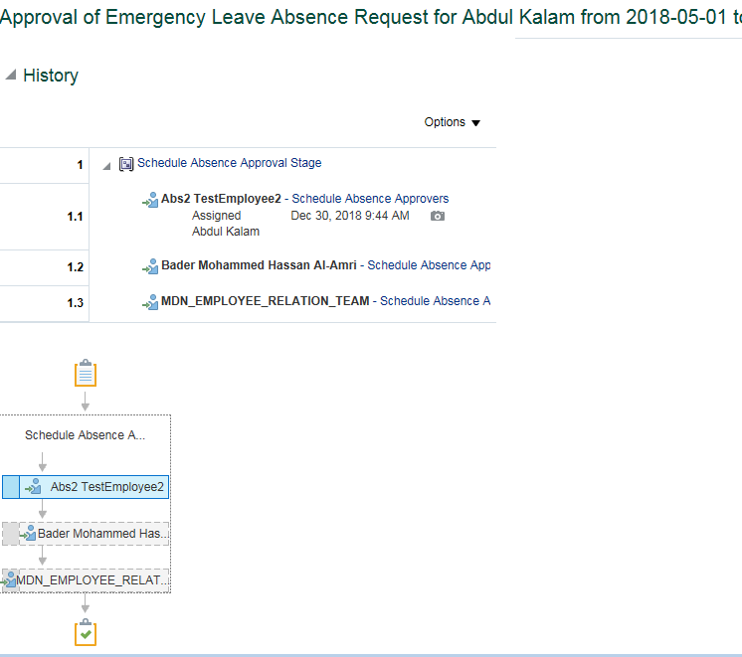
System Test Script - Oracle Cloud - Absence Management
Emergency Leave by Job Level 0 to 6 Employee
Return to Summary
Overview |  |  | Test Script Specification
Software / Release |  | Cloud/ Release 13 | Test Script ID # | #VALUE!
Pilot / SIT# / UAT# |  | UAT | Test Script Name | Emergency Leave by Job Level 0 to 6 Employee

 | Test Script Instruction |  |  | Test Results
ID # | Action | Navigation Steps | Key Data Elements | Expected Results | Actual Results | Pass/Fail
AB-001 | Log into Oracle Cloud as Employee | Click in the User ID field and enter your User ID. | https://ejop-dev1.fa.em2.oraclecloud.com/fscmUI/faces/FuseWelcome | Login successful
 |  | Click in the Password field and enter your Password.
 |  | Click Sign In
AB-002 | Navigate | Click the Navigator link. |  | Page opens
 |  | Click the Apply Leave under Me.
AB-003 | Manage Absence Record | The Maintain Absence Records page opens. |  | Page opens

AB-004 | Create Absence | Click Add and select Emergency leave from the list of values.

 |  | Select Start Date & End Date | Select Start Date : june2,2018 & End Date : june 8, 2018 | System triggers out error when employee avail emergency Leave for more than 3 days per time. Error triggers stating that " Exceeding the limit, you can take maximum of 3 days as Bereavement Leave."when employee avail this leave type for more than 3days per time.
 |  | Leave Type Restrictions | Leave type - Leave Type is not requried for this absence since it is based on Calendar Days. System should thrown an error if any Leave Type Selected. | System should throw an error if the employee selected any Leave Type. After removing the Leave Type, It should able to submit the leave without triggering any error.
 |  | Enter comments Add attachments |  | Employee should able to enter the comments. employee should able to add Attachments.
AB-005 | Check Calculated Duration | Select Start Date & End Date |  | For employeesthe duration is calculated based on the start and end dates based on calendar days.Includes the weekends and Holidays if any between the absence start and end date.
AB-006 | Submitting the Leave Request | Click on Submit and OK |  | Able to submit successfully
AB-007 | Leave status | Check the Leave status after submitting the leave |  | Status should be 'Awaiting approval'
AB - 008 | Eligibility Check | Repeat the above steps to create the Another set of Emergency leave and submit it. |  | Employee can avail this Emergency leave Multiple times.Whereas Max 3Working days Per time and overall entitled with 10days for calendar year. System allows employee to avail this leave multiple times but without exceeding their entitled limit for an year. when employee try to avail emergengy leave for 11th day of the same calendar year. System throws an error as "Exceeding the limit, you can avail only 1day as emergency leave for the year end 2018",
AB - 009 | Leave status | Check the Leave status after submitting the leave |  | Status should be 'Awaiting approval'
AB - 010 | Log Out | Log out from Employee login | logged out
AB - 011 | End of Task | End of Task

Line Manager Approval

 | Test Script Instruction |  |  | Test Results
ID # | Action | Navigation Steps | Key Data Elements | Expected Results | Actual Results | Pass/Fail
AB-001 | Log into Oracle Cloud as immediate supervisor | Click in the User ID field and enter your User ID. | https://ejop-dev1.fa.em2.oraclecloud.com/fscmUI/faces/FuseWelcome | Login successful | Logins in succesfully
 |  | Click in the Password field and enter your Password.
 |  | Click Sign In
AB-002 | Leave Approval | Click on the Notification button Click the Leave request and notification popup in a new page | You should be able to approve the transaction | Page opens | The approval page for the leave gets opened when the linmanager clicks on the request.
AB-003 | Log Out | Click Approve |  |  | Click on Approve
 |  | Log out from Manager login |  | logged out | Logged out successfully
AB-004 | End of Task | End of Task

Department Manager Approval

 | Test Script Instruction |  |  | Test Results
ID # | Action | Navigation Steps | Key Data Elements | Expected Results | Actual Results | Pass/Fail
AB-001 | Log into Oracle Cloud as Department Manager | Click in the User ID field and enter your User ID. | https://ejop-dev1.fa.em2.oraclecloud.com/fscmUI/faces/FuseWelcome | Login successful | Logins in succesfully
 |  | Click in the Password field and enter your Password.
 |  | Click Sign In
AB-002 | Leave Approval | Click on the Notification button Click the Leave request and notification popup in a new page | You should be able to approve the transaction | Page opens | The approval page for the leave gets opened when the linmanager clicks on the request.
AB-003 | Log Out | Click Approve |  |  | Click on Approve
 |  | Log out from Manager login |  | logged out | Logged out successfully
AB-004 | End of Task | End of Task

ER Approval

 | Test Script Instruction |  |  | Test Results
ID # | Action | Navigation Steps | Key Data Elements | Expected Results | Actual Results | Pass/Fail
AB-001 | Log into Oracle Cloud as ER | Click in the User ID field and enter your User ID. | https://ejop-dev1.fa.em2.oraclecloud.com/fscmUI/faces/FuseWelcome | Login successful | Logins in succesfully
 |  | Click in the Password field and enter your Password.
 |  | Click Sign In
AB-002 | Leave Approval | Click on the Notification button Click the Leave request and notification popup in a new page | You should be able to approve the transaction | Page opens | The approval page for the leave gets opened when the linmanager clicks on the request.
AB-003 | Log Out | Click Approve |  |  | Click on Approve
 |  | Log out from Manager login |  | logged out | Logged out successfully
AB-004 | End of Task | End of Task

10.01
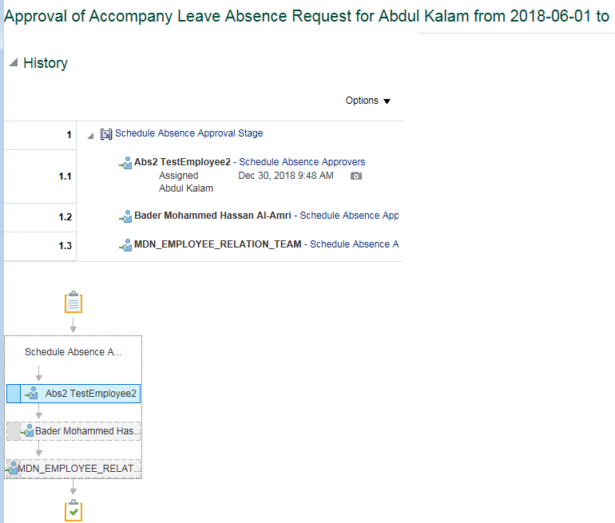
System Test Script - Oracle Cloud - Absence Management
Accompany Sick Leave by Job Level 0 to 6 Employee
Return to Summary
Overview |  |  | Test Script Specification
Software / Release |  | Cloud/ Release 13 | Test Script ID # | #VALUE!
Pilot / SIT# / UAT# |  | UAT | Test Script Name | Accompany Sick Leave by Job Level 0 to 6 Employee
...
 | Test Script Instruction |  |  | Test Results
ID # | Action | Navigation Steps | Key Data Elements | Expected Results | Actual Results | Pass/Fail
 |  | Click Sign In
AB-002 | Leave Approval | Click on the Notification button Click the Leave request and notification popup in a new page | You should be able to approve the transaction | Page opens | The approval page for the leave gets opened when the linmanager clicks on the request.
AB-003 | Log Out | Click Approve |  |  | Click on Approve
 |  | Log out from Manager login |  | logged out | Logged out successfully
AB-004 | End of Task | End of Task

11.01
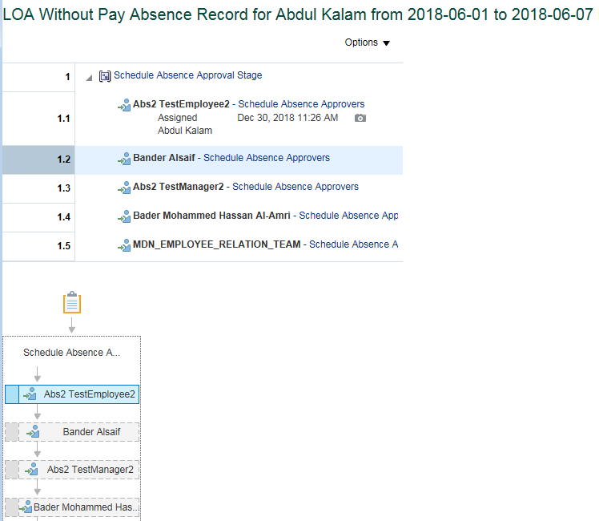
...
 | Test Script Instruction |  |  | Test Results
ID # | Action | Navigation Steps | Key Data Elements | Expected Results | Actual Results | Pass/Fail
 |  | Click in the Password field and enter your Password.
 |  | Click Sign In
AB-002 | Leave Approval | Click on the Notification button Click the Leave request and notification popup in a new page | You should be able to approve the transaction | Page opens | The approval page for the leave gets opened when the linmanager clicks on the request.
AB-003 | Log Out | Click Approve |  |  | Click on Approve
 |  | Log out from Manager login |  | logged out | Logged out successfully
AB-004 | End of Task | End of Task

11.02
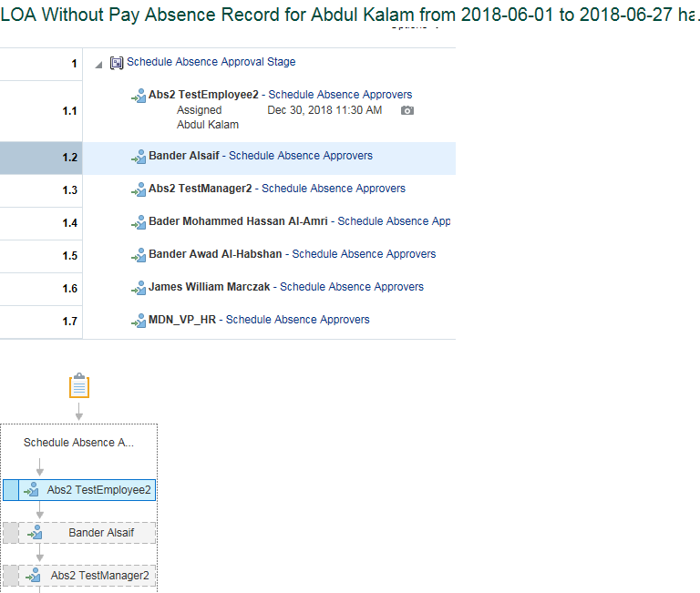
...
 | Test Script Instruction |  |  | Test Results
ID # | Action | Navigation Steps | Key Data Elements | Expected Results | Actual Results | Pass/Fail
AB-001 | Log into Oracle Cloud as VP HR | Click in the User ID field and enter your User ID. | https://ejop-dev1.fa.em2.oraclecloud.com/fscmUI/faces/FuseWelcome | Login successful | Logins in succesfully
 |  | Click in the Password field and enter your Password.
 |  | Click Sign In
AB-002 | Leave Approval | Click on the Notification button Click the Leave request and notification popup in a new page | You should be able to approve the transaction | Page opens | The approval page for the leave gets opened when the linmanager clicks on the request.
AB-003 | Log Out | Click Approve |  |  | Click on Approve
 |  | Log out from Manager login |  | logged out | Logged out successfully
AB-004 | End of Task | End of Task

11.03
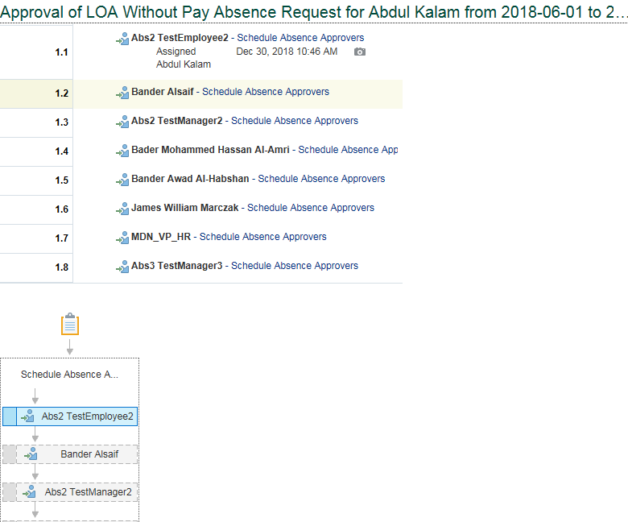
...
 | Test Script Instruction |  |  | Test Results
ID # | Action | Navigation Steps | Key Data Elements | Expected Results | Actual Results | Pass/Fail
AB-001 | Log into Oracle Cloud as VP HR | Click in the User ID field and enter your User ID. | https://ejop-dev1.fa.em2.oraclecloud.com/fscmUI/faces/FuseWelcome | Login successful | Logins in succesfully
 |  | Click in the Password field and enter your Password.
 |  | Click Sign In
AB-002 | Leave Approval | Click on the Notification button Click the Leave request and notification popup in a new page | You should be able to approve the transaction | Page opens | The approval page for the leave gets opened when the linmanager clicks on the request.
AB-003 | Log Out | Click Approve |  |  | Click on Approve
 |  | Log out from Manager login |  | logged out | Logged out successfully
AB-004 | End of Task | End of Task

11.04
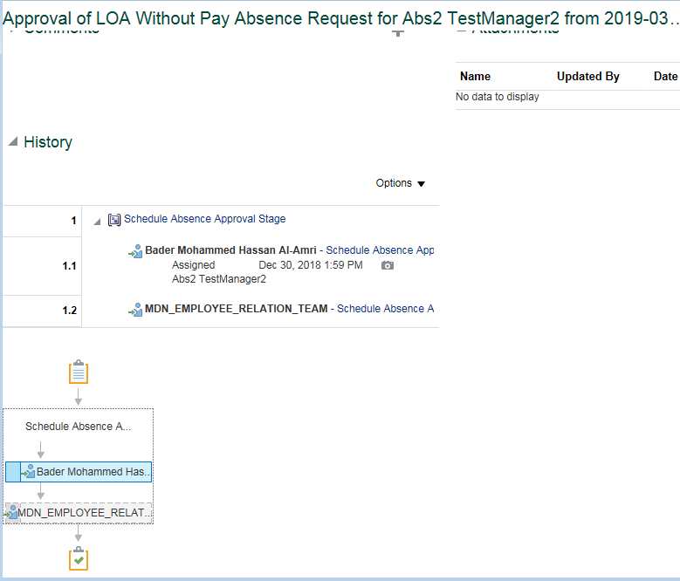
...
 | Test Script Instruction |  |  | Test Results
ID # | Action | Navigation Steps | Key Data Elements | Expected Results | Actual Results | Pass/Fail
AB-001 | Log into Oracle Cloud as ER | Click in the User ID field and enter your User ID. | https://ejop-dev1.fa.em2.oraclecloud.com/fscmUI/faces/FuseWelcome | Login successful | Logins in succesfully
 |  | Click in the Password field and enter your Password.
 |  | Click Sign In
AB-002 | Leave Approval | Click on the Notification button Click the Leave request and notification popup in a new page | You should be able to approve the transaction | Page opens | The approval page for the leave gets opened when the linmanager clicks on the request.
AB-003 | Log Out | Click Approve |  |  | Click on Approve
 |  | Log out from Manager login |  | logged out | Logged out successfully
AB-004 | End of Task | End of Task

11.05
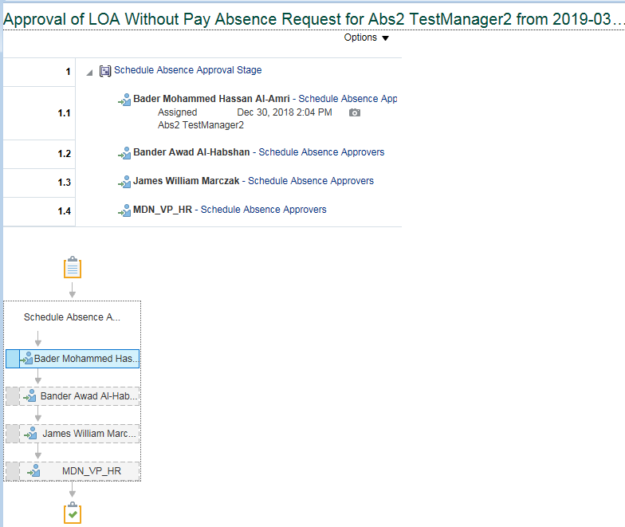
...
 | Test Script Instruction |  |  | Test Results
ID # | Action | Navigation Steps | Key Data Elements | Expected Results | Actual Results | Pass/Fail
AB-001 | Log into Oracle Cloud as VP HR | Click in the User ID field and enter your User ID. | https://ejop-dev1.fa.em2.oraclecloud.com/fscmUI/faces/FuseWelcome | Login successful | Logins in succesfully
 |  | Click in the Password field and enter your Password.
 |  | Click Sign In
AB-002 | Leave Approval | Click on the Notification button Click the Leave request and notification popup in a new page | You should be able to approve the transaction | Page opens | The approval page for the leave gets opened when the linmanager clicks on the request.
AB-003 | Log Out | Click Approve |  |  | Click on Approve
 |  | Log out from Manager login |  | logged out | Logged out successfully
AB-004 | End of Task | End of Task

11.06
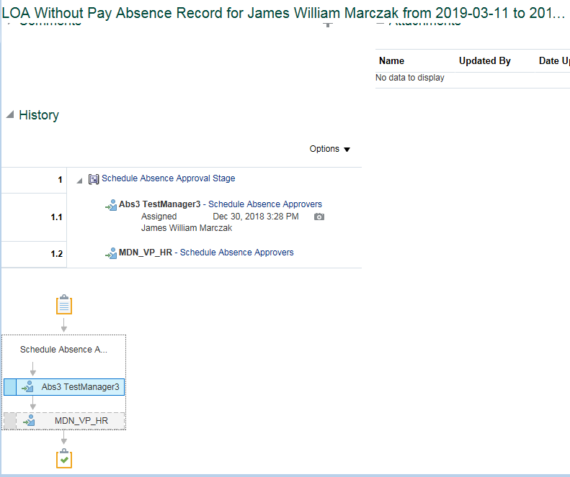
...
 | Test Script Instruction |  |  | Test Results
ID # | Action | Navigation Steps | Key Data Elements | Expected Results | Actual Results | Pass/Fail
 | Test Script Instruction |  |  | Test Results
ID # | Action | Navigation Steps | Key Data Elements | Expected Results | Actual Results | Pass/Fail
AB-001 | Log into Oracle Cloud as VP HR | Click in the User ID field and enter your User ID. | https://ejop-dev1.fa.em2.oraclecloud.com/fscmUI/faces/FuseWelcome | Login successful | Logins in succesfully
 |  | Click in the Password field and enter your Password.
 |  | Click Sign In
AB-002 | Leave Approval | Click on the Notification button Click the Leave request and notification popup in a new page | You should be able to approve the transaction | Page opens | The approval page for the leave gets opened when the linmanager clicks on the request.
AB-003 | Log Out | Click Approve |  |  | Click on Approve
 |  | Log out from Manager login |  | logged out | Logged out successfully
AB-004 | End of Task | End of Task

11.07
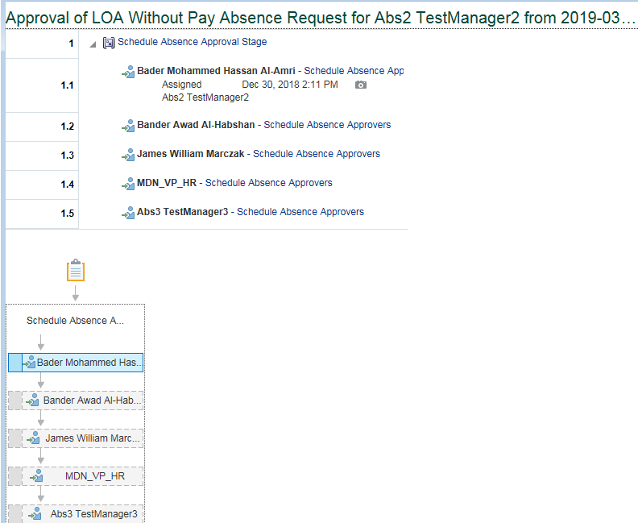
...
 | Test Script Instruction |  |  | Test Results
ID # | Action | Navigation Steps | Key Data Elements | Expected Results | Actual Results | Pass/Fail
ID # | Action | Navigation Steps | Key Data Elements | Expected Results | Actual Results | Pass/Fail
AB-001 | Log into Oracle Cloud as President | Click in the User ID field and enter your User ID. | https://ejop-dev1.fa.em2.oraclecloud.com/fscmUI/faces/FuseWelcome | Login successful | Logins in succesfully
 |  | Click in the Password field and enter your Password.
 |  | Click Sign In
AB-002 | Leave Approval | Click on the Notification button Click the Leave request and notification popup in a new page | You should be able to approve the transaction | Page opens | The approval page for the leave gets opened when the linmanager clicks on the request.
AB-003 | Log Out | Click Approve |  |  | Click on Approve
 |  | Log out from Manager login |  | logged out | Logged out successfully
AB-004 | End of Task | End of Task

11.08
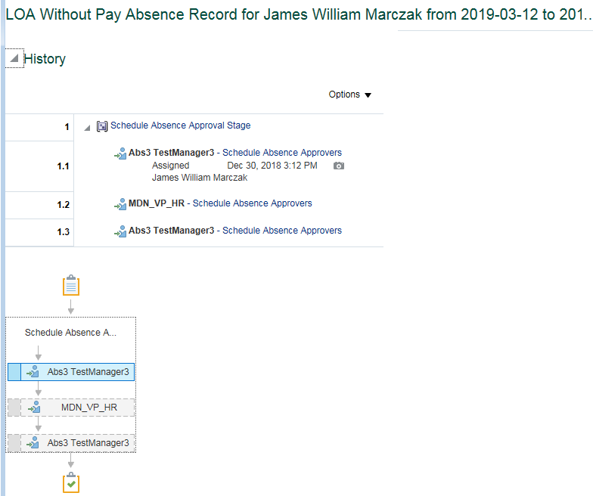
...
 | Test Script Instruction |  |  | Test Results
ID # | Action | Navigation Steps | Key Data Elements | Expected Results | Actual Results | Pass/Fail
ID # | Action | Navigation Steps | Key Data Elements | Expected Results | Actual Results | Pass/Fail
AB-001 | Log into Oracle Cloud as VP HR | Click in the User ID field and enter your User ID. | https://ejop-dev1.fa.em2.oraclecloud.com/fscmUI/faces/FuseWelcome | Login successful | Logins in succesfully
 |  | Click in the Password field and enter your Password.
 |  | Click Sign In
AB-002 | Leave Approval | Click on the Notification button Click the Leave request and notification popup in a new page | You should be able to approve the transaction | Page opens | The approval page for the leave gets opened when the linmanager clicks on the request.
AB-003 | Log Out | Click Approve |  |  | Click on Approve
 |  | Log out from Manager login |  | logged out | Logged out successfully
AB-004 | End of Task | End of Task

11.09
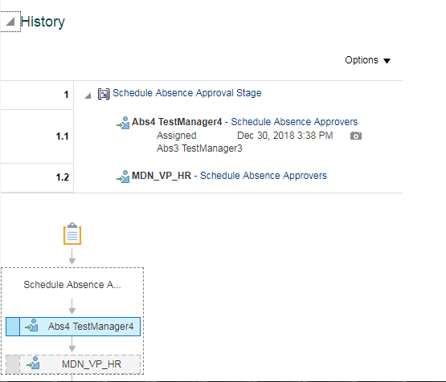
...
 | Test Script Instruction |  |  | Test Results
ID # | Action | Navigation Steps | Key Data Elements | Expected Results | Actual Results | Pass/Fail
 |  | Click Sign In
AB-002 | Leave Approval | Click on the Notification button Click the Leave request and notification popup in a new page | You should be able to approve the transaction | Page opens | The approval page for the leave gets opened when the linmanager clicks on the request.
AB-003 | Log Out | Click Approve |  |  | Click on Approve
 |  | Log out from Manager login |  | logged out | Logged out successfully
AB-004 | End of Task | End of Task

16.01
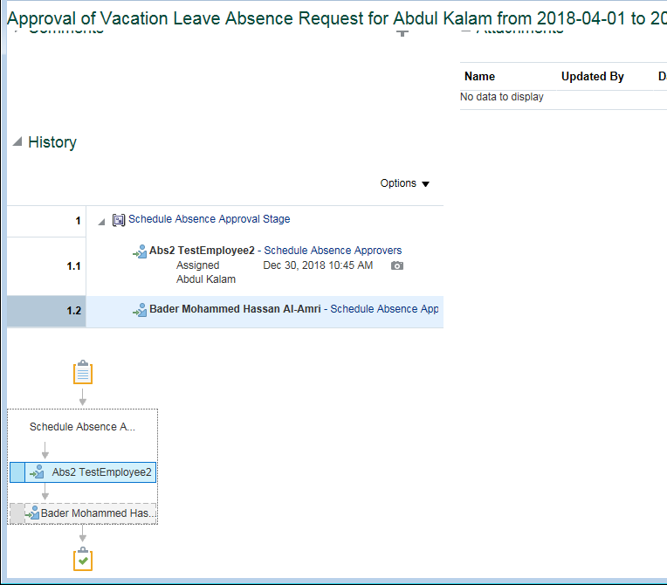
...
 | Test Script Instruction |  |  | Test Results
ID # | Action | Navigation Steps | Key Data Elements | Expected Results | Actual Results | Pass/Fail
 | Test Script Instruction |  |  | Test Results
ID # | Action | Navigation Steps | Key Data Elements | Expected Results | Actual Results | Pass/Fail
AB-001 | Log into Oracle Cloud as Department Manager | Click in the User ID field and enter your User ID. | https://ejop-dev1.fa.em2.oraclecloud.com/fscmUI/faces/FuseWelcome | Login successful | Logins in succesfully
 |  | Click in the Password field and enter your Password.
 |  | Click Sign In
AB-002 | Leave Approval | Click on the Notification button Click the Leave request and notification popup in a new page | You should be able to approve the transaction | Page opens | The approval page for the leave gets opened when the linmanager clicks on the request.
AB-003 | Log Out | Click Approve |  |  | Click on Approve
 |  | Log out from Manager login |  | logged out | Logged out successfully
AB-004 | End of Task | End of Task

16.02
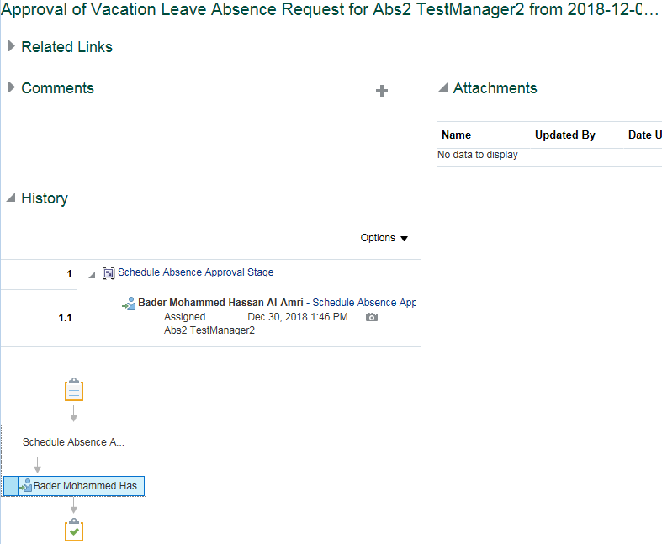
...
 | Test Script Instruction |  |  | Test Results
ID # | Action | Navigation Steps | Key Data Elements | Expected Results | Actual Results | Pass/Fail
ID # | Action | Navigation Steps | Key Data Elements | Expected Results | Actual Results | Pass/Fail
AB-001 | Log into Oracle Cloud as immediate supervisor | Click in the User ID field and enter your User ID. | https://ejop-dev1.fa.em2.oraclecloud.com/fscmUI/faces/FuseWelcome | Login successful | Logins in succesfully
 |  | Click in the Password field and enter your Password.
 |  | Click Sign In
AB-002 | Leave Approval | Click on the Notification button Click the Leave request and notification popup in a new page | You should be able to approve the transaction | Page opens | The approval page for the leave gets opened when the linmanager clicks on the request.
AB-003 | Log Out | Click Approve |  |  | Click on Approve
 |  | Log out from Manager login |  | logged out | Logged out successfully
AB-004 | End of Task | End of Task

